pricing
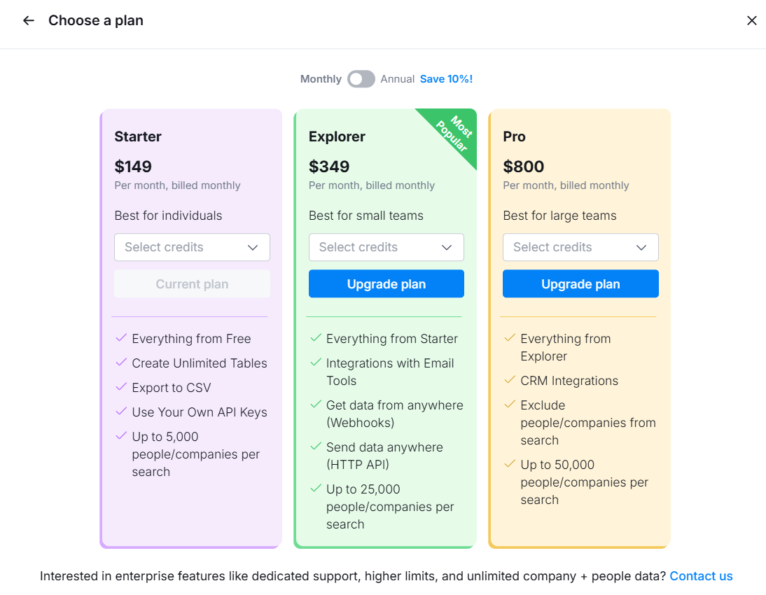

1 Session = 1 RealSales interaction AUDIO or VIDEO
 | ANNUAL SAVE 10%

 | Free Trial | "Starter" Plan | "Growth" Plan | "Max" Plan | Enterprise/Custom Plan
 | 10 mins session, 1 persona, no analytics | Best for solo Sales Rep 2 personas, personal coaching insight | Best for small sales team (1-5) 5 personas, personal coaching insight | Best for cross-selling unlimited persona, team reporting & coaching insight | For larger Sales Team Unlimited session, full access
 | Free (only Audio)
 |  | 59$ (1 session)
 |  | 249$ (5 sessions)
 |  |  | 449$ (10 sessions) | 849$ (10 sessions)
 |  |  | 849$ (20 sessions) | 1349$ (20 sessions)

 |  | Key Features | Key Features | Key Features | Key Features
 | User | 1 user | up to 5 users | up to 5 users | Unlimited
 | Personas | max 2 | max 5 | unlimited | Unlimited
 | Industry | 1 industry | 1 industry | Unlimited | Unlimited
 | Saved interactions | X | X | X | X
 | Sales Coaching | X | X | X | X
 | Upload Company info and Case Studies for customized experience |  |  | X | X
 | Team Reporting for Manager |  |  | X | X
 | Customer Persona development |  |  |  | X
 | Business Intelligence for Product Development |  |  |  | X

